Sheet1
 |  | Document No. | Issue No. | Issue Date |  | Review and Replace Date |  | Authorised By
 |  | GFF027MC | 1 | 01.09.2018 |  | New Issue
 |  | Document Title | Macaroni Cheese Hot Pot 250g
 |  |  | Page 1 of 1 |  | Clause |  | 6.1 | Magda Shah
Document amendments reason for change |  | New product launch |  |  | Previous Issue Date |  | New Issue | Uncontrolled copy unless signed original

FVMACH-B10P | FSC |  | MACARONI CHEESE HOT POT 250g | FROZEN
STEP 1 |  |  |  |  | STEP 2
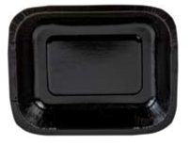 |  |  |  |  | 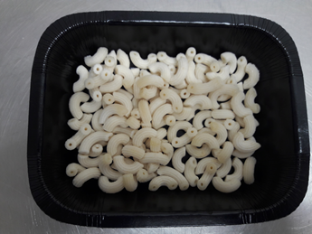

Tray: Small Hot Pot Tray (PKHAV001-01) - from HAVI |  |  |  |  | Frozen Gramigna Elbow Macaroni: (RMFOO008-04): 83g
Film: Film:Mylar 250LAF 195mm x 500 (PKWRA001-06) (RPC Bebo 538sP Machine)
Film: Film:Mylar 250LAF 130mm x 500 (PKWRA001-05) (B'185 Machine)
STEP 3 |  |  |  |  | STEP 4
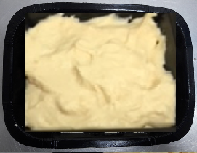 |  |  |  |  | 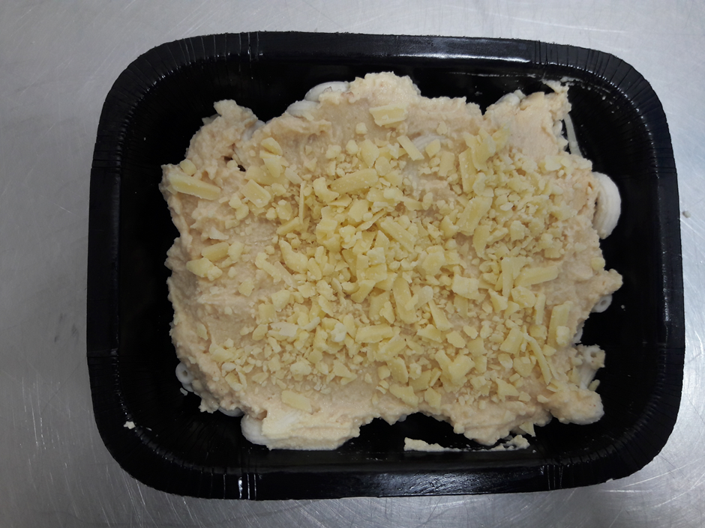

Cheese Sauce (GFF203R): 157g |  |  |  |  | GRATED CHEDDAR CHEESE (BUTLER SECRET) (RMHAB001-19): 10g |  |  |  | Total Weight: 250g

ALLERGY ALERT: MILK, WHEAT

